Sheet1
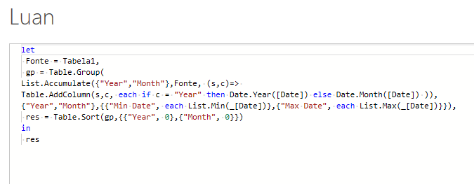
Date | Answer Expected
2021-07-24 | Year | Month | Min Date | Max Date
2021-06-28 | 2019 | 9 | 2019-09-23 | 2019-09-23
2021-06-12 | 2019 | 11 | 2019-11-10 | 2019-11-10
2021-06-01 | 2020 | 1 | 2020-01-06 | 2020-01-30
2021-05-25 | 2020 | 2 | 2020-02-03 | 2020-02-03
2020-09-23 | 2020 | 3 | 2020-03-13 | 2020-03-13
2020-09-13 | 2020 | 4 | 2020-04-05 | 2020-04-05
2020-08-17 | 2020 | 5 | 2020-05-03 | 2020-05-05
2020-08-09 | 2020 | 6 | 2020-06-06 | 2020-06-07
2020-08-08 | 2020 | 7 | 2020-07-24 | 2020-07-24
2020-08-04 | 2020 | 8 | 2020-08-04 | 2020-08-17
2020-07-24 | 2020 | 9 | 2020-09-13 | 2020-09-23
2020-06-07 | 2021 | 5 | 2021-05-25 | 2021-05-25
2020-06-06 | 2021 | 6 | 2021-06-01 | 2021-06-28
2020-05-05 | 2021 | 7 | 2021-07-24 | 2021-07-24
2020-05-03
Generate the min and max dates for different year and month combinations. Dates are in MDY format.
2020-04-05
2020-03-13
2020-02-03
2020-01-30
2020-01-10
2020-01-06
2019-11-10
2019-09-23

